Understanding of Logistic Reg
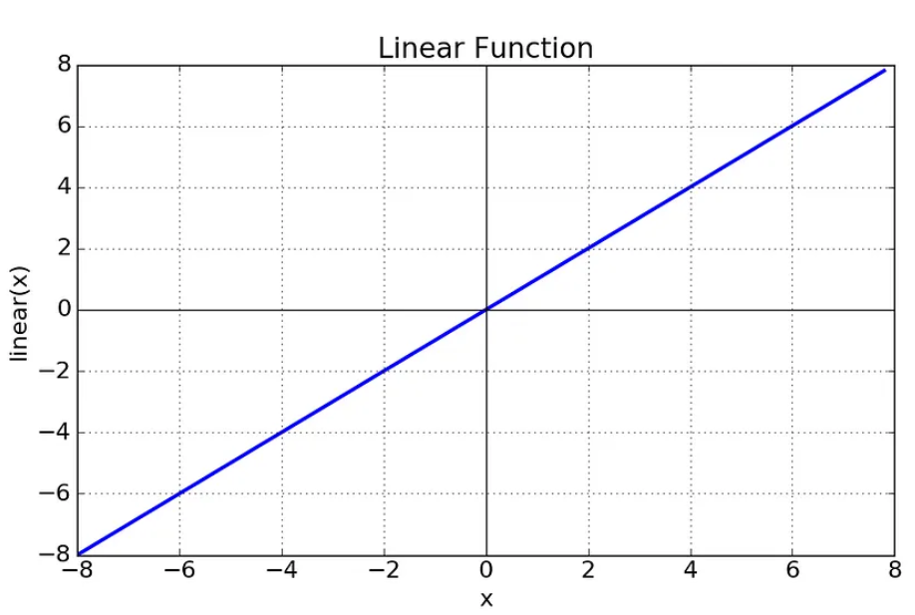
DEFINITION & CONCEPTUAL UNDERSTANDING FOR LOGISTIC REGRESSION | REFERENCE

⇰PREVIOUS LEARNING | ⇰REFERENCE (Website)-->Scikit Learn Regarding Thereotical & Practical Implementation Regarding LOGISTIC REGRESSION

❶We've just explored how to use linear regression and its many variations such as lasso regression and ridge regression to predict a continuous label. ❷But how can we predict a categorical label? For this section, the answer will be logistic regression.

 | ⇰REFERENCE (Website)-->Udemy Regarding Thereotical & Conceptual Understanding for LOGISTIC REGRESSION
⇰CONCEPTUAL UNDERSTANDING OF LOGISTIC REGRESSION (UDEMY)

❶WARNING POINT-->Do not be confused by the use of the term regression in the name logistic regression. ❷To be perfectly clear, logistic regression is actually a classification algorithm designed to predict categorical target labels.It essentially allows us to predict a categorical label based on historical feature data.In Simple Words Logistic regression is a classification technique borrowed by (ML) machine learning from the field of statistics. Logistic Regression is a statistical method for analyzing a dataset in which there are one or more independent variables that determine an outcome. ❸(According to Udemy) The Categorical Target column means that it's two or more discrete class labels.For example, we could use a classification algorithm to predict a class or category label, ❹(Understanding with Example Google) such as what class an image stands for.Maybe it's class zero, a car image class one is street image or class two a bridge image and so on If this kind of problem sounds familiar to you, it's because you may not have realized that you're actually helping Google with its self-driving car unit.Waymo classify historical data because obviously it's really important to have already classified historical data to train an upcoming model on new data.So when you're actually filling out these CAPTCHA calls and identifying images, you are yourself labeling data for Google.So you're selecting all the images with cars.

 | ⇰REFERENCE (Website)-->Medium Regarding Thereotical & Practical Probability concepts explained : Maximum likelihood estimation

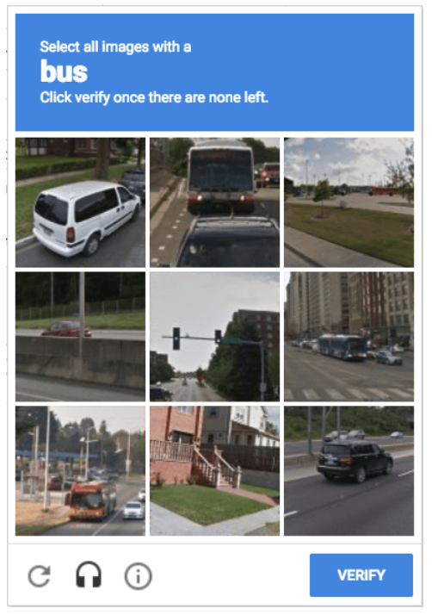 | ⇰REFERENCE (Website)-->Medium Regarding Thereotical & Practical Understanding of 'Google Is Using Us to Train Their Self Driving Cars'?

 | ⇰REFERENCE (Website)-->Udemy Regarding Conceptual Understanding for LOGISTIC REGRESSION

⇰CONCEPTUAL UNDERSTANDING OF LOGISTIC REGRESSION (IBM) | ⇰REFERENCE (Website)-->IBM Regarding Thereotical & Practical Understanding of LOGISTIC REGRESSION (IBM) & Various Difference in LOGISTIC & LINEAR REGRESSION

❶Both linear and logistic regression are among the most popular models within data science, and open-source tools, like Python and R, make the computation for them quick and easy. ❷Linear regression models are used to identify the relationship between a continuous dependent variable and one or more independent variables.For each type of linear regression, it seeks to plot a line of best fit through a set of data points, which is typically calculated using the least squares method. ❸Similar to linear regression, logistic regression is also used to estimate the relationship between a dependent variable and one or more independent variables, but it is used to make a prediction about a categorical variable VS a continuous one. A categorical variable can be true or false, yes or no, 1 or 0, et cetera. The unit of measure also differs from linear regression as it produces a probability, but the logit function transforms the S-curve into straight line.

 | ⇰REFERENCE (Website)-->Scikit Learn Regarding Thereotical & Practical Implementation Regarding LOGISTIC REGRESSION

⇰WHY DO WE NEED LOGISTIC REGRESSION ?

❶ REASON 1-->Logistic regression is also used to estimate the relationship between a dependent variable and one or more independent variables, but it is used to make a prediction about a categorical variable VS a continuous one.

❷REASON 2-->Sigmoid Function The reason is that In this sigmoid function it can fit all these points. While it is impossible for linear regression (You Can see in Upcoming Figure) because there point are not lies in linear (straight Line format).

❸Linear or Identity Activation Function -->As you can see the function is a line OR linear. Therefore, the output of the functions will not be confined between any range.It doesn’t help with the complexity OR various parameters of usual data that is fed to the neural networks. | ⇰REFERENCE (Website)-->Medium Regarding Thereotical & Practical Concept of 1.LINEAR REGRESSION , 2.SIGMOID FUNCTION

Mathematical Derivation LogReg
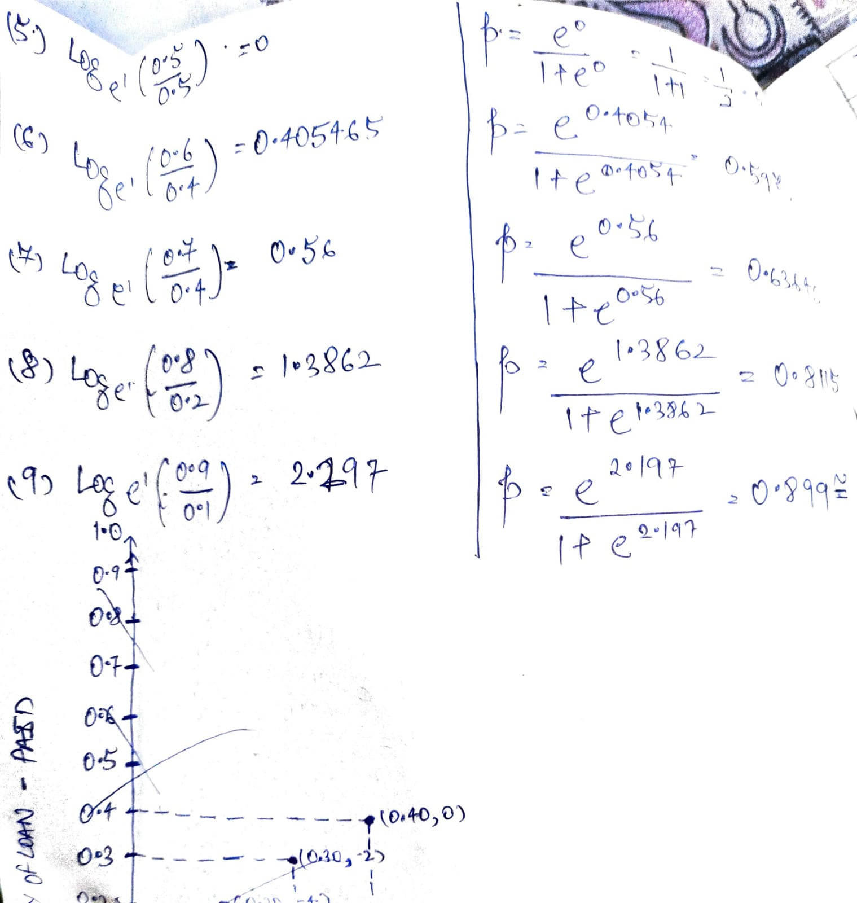
MATHEMATICAL DERIVATION OF LOGISTIC REGRESSION | REFERENCE

⇰WHY DO WE NEED LOGISTIC FUNCTION ? (TRANSFORMATION FROM LINEAR TO LOGISTIC REGRESSION) (UDEMY)

❶Logistic regression in general works by transforming a linear regression into a classification model through the use of the logistic function shown here Obviously it is also known as sigmoid function .

 | ⇰REFERENCE (Website)-->Wikipedia Regarding Conceptual Understanding of LOGISTIC FUNCTION

 | ⇰REFERENCE (Website)-->Medium Regarding Thereotical & Practical Concept of 1.LINEAR REGRESSION , 2.SIGMOID FUNCTION

❷Sigmoid Function-->The main reason why we use sigmoid function is because it exists between (0 to 1). Therefore, it is especially used for models where we have to predict the probability as an output.Since probability of anything exists only between the range of 0 and 1, sigmoid is the right choice.

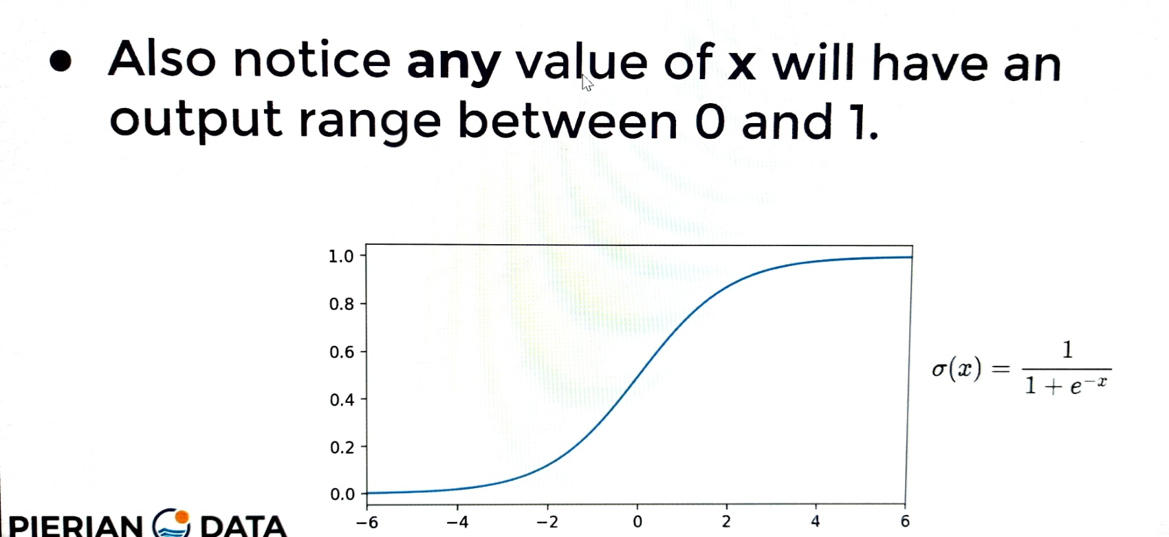
 | ⇰REFERENCE (Website)-->Udemy Regarding Thereotical & Conceptualize Implementation Regarding Sigmoid Function

⇰WHY LOGISTIC FUNCTION IS DIFFERENT THAN LOGISTIC REGRESSION & IT's ACTUAL ADVANTAGE OVER LOGISTIC REGRESSION (UNDERSTAND WITH EXAMPLE) ?

❶Many Natural real world system have carrying capacity or natural limiting factor. ❷ (UPCOMING FIGUREWISE ILLUSTRATION) You can see that the logarithmic curve is the one on top that is slowly growing exponentially and the logistic curve tends to level off.So the question arises, why do we have this need for modeling purposes of the logistic function VS the previously known logarithmic function? If you actually plot out the sigmoid or logistic function, you can see the behavior shown here where we get this curve and eventually a leveling off basically like S shaped Curve Instead of Exponential OR Logarathmic regression. So clearly a logistic function itself can be really useful for modeling the systems that have this carrying capacity OR natural limiting set of factors. ❸In Simple Words (Udemy)here is that many natural, real world systems have what is known as a caring capacity or some sort of natural limiting factor & this could be everything from world population growth, where if you look up projected world populations,it seems to follow this trend of a logistic function where tere is some sort of exponential curve that's growing. eventually you get this leveling off as the growth rate declines because of limiting factors such as caring capacity & it just isn't with model populations, but also for many different scientific fields.Here we can see the sugarcane yield in Australia VS the depth of water available and again you get this sort of limiting factor.We're just natural, real world systems have some sort of limit where you get this leveling off effect similar to a logistic function.So clearly a logistic function itself can be really useful for modeling the systems that have this carrying capacity OR natural limiting set of | ⇰REFERENCE (Website)-->(I) Udemy Regarding Thereotical & Conceptualize Implementation Regarding Sigmoid Function

 | ⇰REFERENCE (Website)-->Scikit Learn Regarding Thereotical & Practical Implementation Regarding LOGISTIC REGRESSION

 | ⇰REFERENCE (Website)-->Medium Regarding Thereotical & Practical Concept of 1.LINEAR REGRESSION , 2.SIGMOID FUNCTION

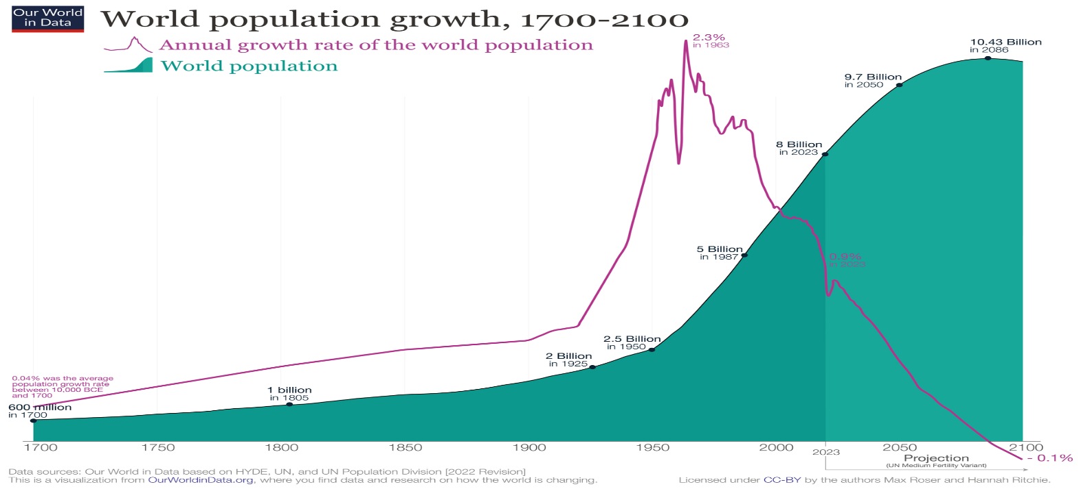

 | ⇰REFERENCE (Website)-->Wikipedia Regarding Thereotical & Practical Imlementation Regarding Projection of World's Population Growth-->World Population Index (1700-2100)

 | ⇰REFERENCE (Website)-->(I) Udemy Regarding Thereotical & Conceptualize Implementation Regarding Sigmoid Function

⇰DIFFERENCE IN BETWEEN SIGMOID , LOGARITHM & SIGMOID FUNCTION VS EXPONENTIAL VS LOGISTIC REGRESSION ?

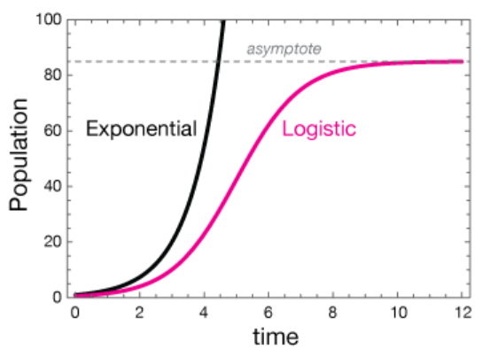 | ⇰REFERENCE (Website)-->xaktly Regarding Thereotical & Practical Implementation of Difference in Between EXPONENTIAL vs LOGISTIC REGRESSION

▣MATHEMATICAL DERIVATION FOR LOGISTIC REGRESSION (FROM LINEAR TO LOGISTIC FUNCTION )

⇰(1st) DERIVATION OF LOGISTIC REGRESSION (CONVERSION FROM LINEAR REGRESSION TO LOGISTIC INTUITION) (UNDERSTAND WITH EXAMPLE DATASET) | ⇰REFERENCE (Website)-->(II)Udemy Regarding Thereotical & Conceptual Wise Implementation Regarding Mathematical Derivation of Linear to Logistic Regression

⇰REFERENCE (COPY) -->PLEASE SEE DATASET & CONVERSION FROM (LINEAR TO LOGISTIC FUNCTION) IN LOGISTIC REGRESSION CHAPTER IN COPY

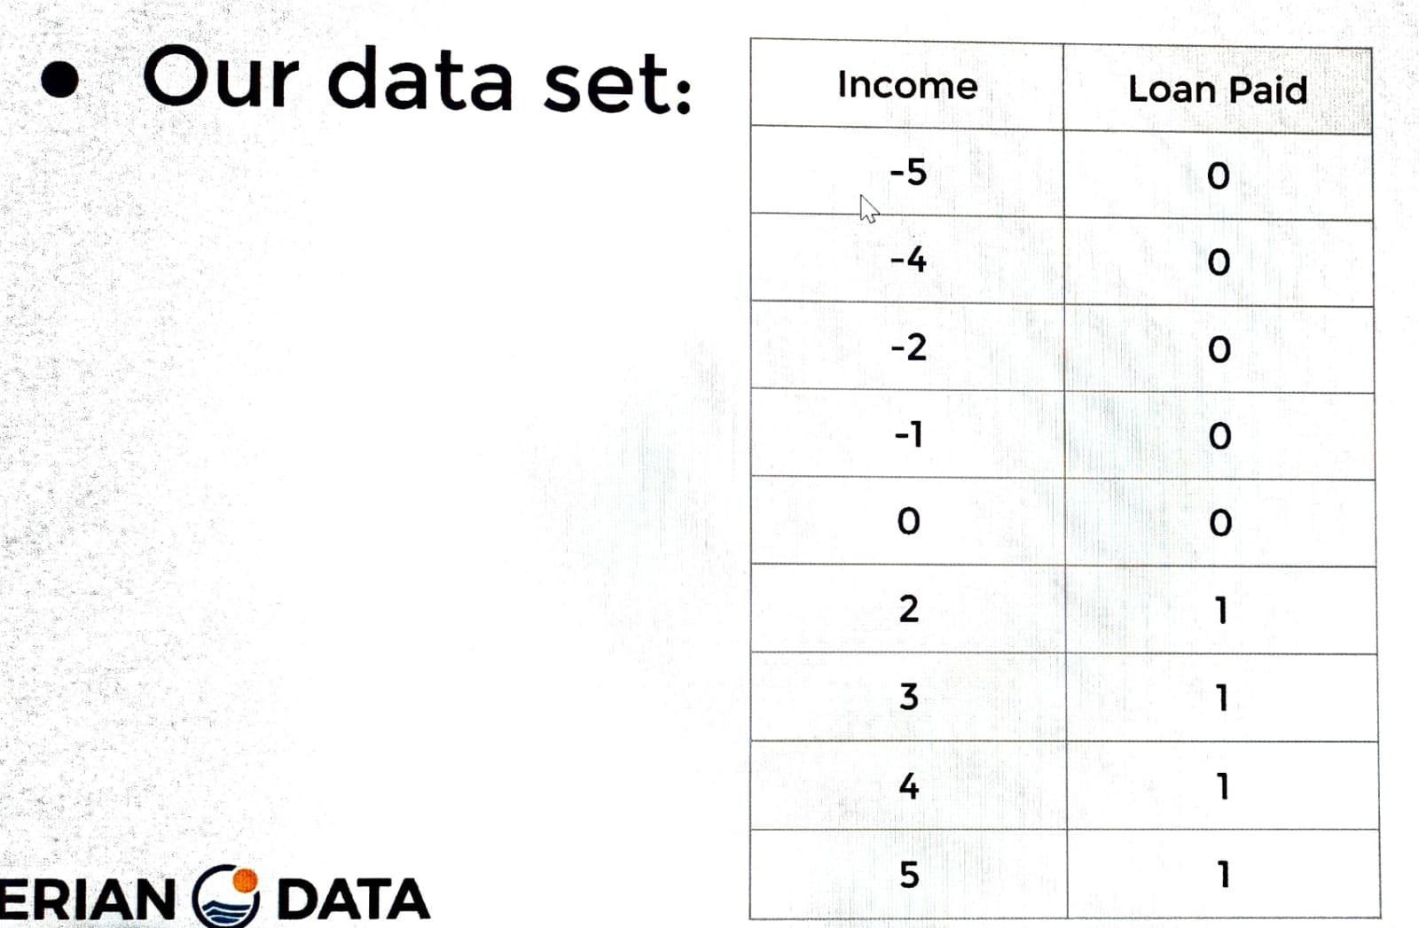

 | ⇰REFERENCE (Website)-->Scikit Learn Regarding Thereotical & Practical Implementation Regarding LOGISTIC REGRESSION

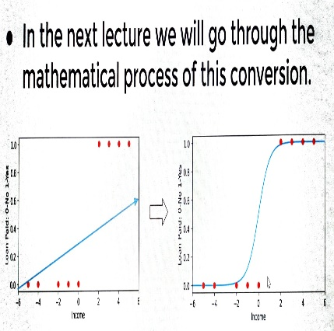

 | ⇰REFERENCE (Website)-->(II) Udemy Regarding Thereotical & Practical Implementation of Linear Regression to Logistic Math (With Mathematical Derivation )

⇰(2nd) OVERALL UNDERSTANDING OF LOG (ODDS) & IT'S PRACTICAL IMPLEMENTATION | ⇰REFERENCE (Website)-->Stat Quest Regarding Thereotical & Conceptual Understanding of Odds & Log (Odds)

⇰REFERENCE (COPY) -->PLEASE SEE DATASET & CONVERSION FROM (LINEAR TO LOGISTIC FUNCTION) IN LOGISTIC REGRESSION CHAPTER IN COPY

 | ⇰REFERENCE (Website)-->Scikit Learn Regarding Thereotical & Practical Implementation Regarding LOGISTIC REGRESSION

⇰(3rd) Overall Definition & Conceptualizaion of Maximum Likelihood (Conversion from Log odds) to Probability ) | ⇰REFERENCE (Website)-->(III) Udemy Regarding Thereotical & Practical Implementation of Maximum Likelihood

⇰REFERENCE (COPY) -->PLEASE SEE DATASET & CONVERSION FROM (LINEAR TO LOGISTIC FUNCTION) IN LOGISTIC REGRESSION CHAPTER IN COPY

❶Maximum Likelihood Estimation (MLE) is a probabilistic based approach to determine values for the parameters of the model. Parameters could be defined as blueprints for the model because based on that the algorithm works. MLE is a widely used technique in machine learning, time series, panel data and discrete data.

 | ⇰REFERENCE (Website)-->Stat Quest Regarding Thereotical & Conceptual Understanding of Odds & Log (Odds)

 | ⇰REFERENCE (Website)-->Scikit Learn Regarding Thereotical & Practical Implementation Regarding LOGISTIC REGRESSION

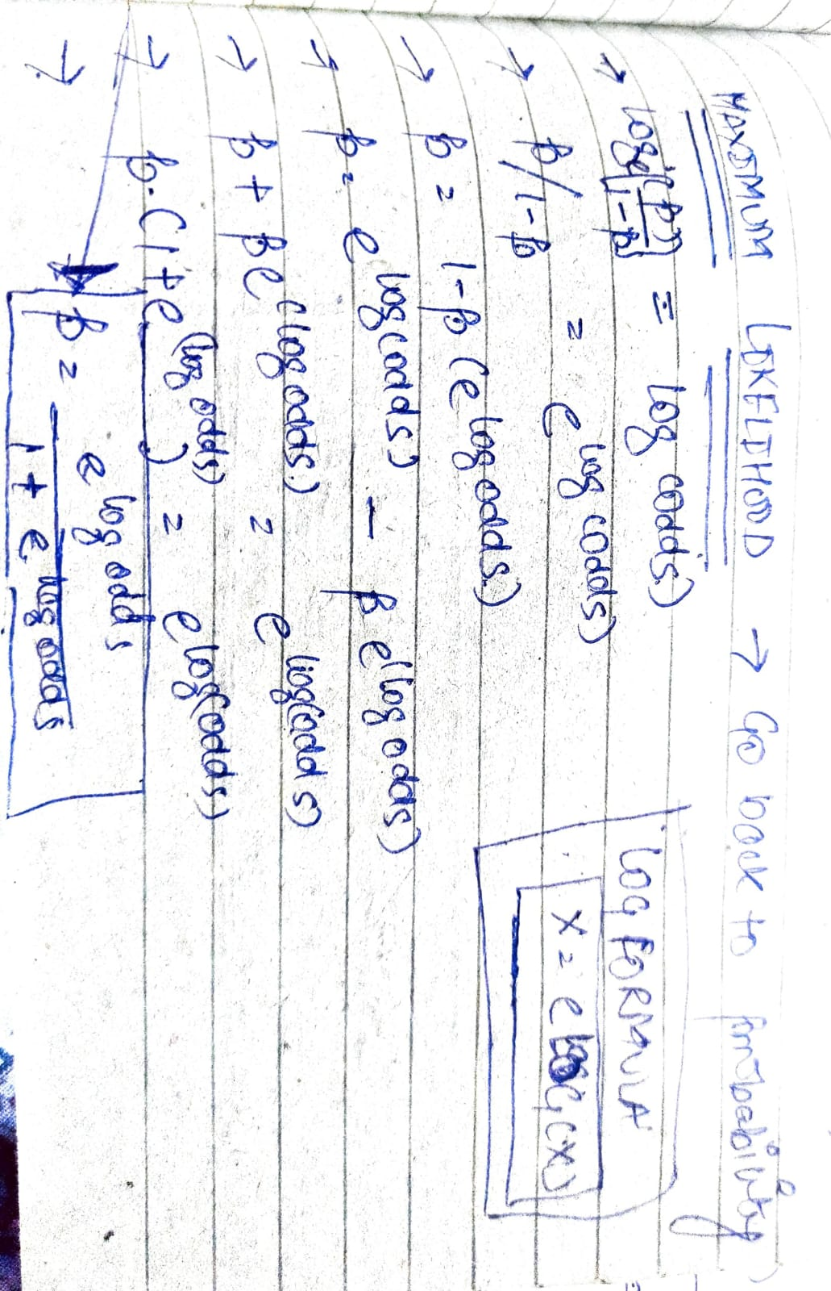

⇰REFERENCE (COPY)-->Proper Maths in Copy (Backside Calculation of Log (Odds) & Predicted probability & Representing in Income / Loan Paid (2 Dimensional) Graph. Pl check Copy.In 3rd Page We can See According To Sigmoid Function The Probability of This Function Lies in Between Value 0 & 1.

❶ 1st Page
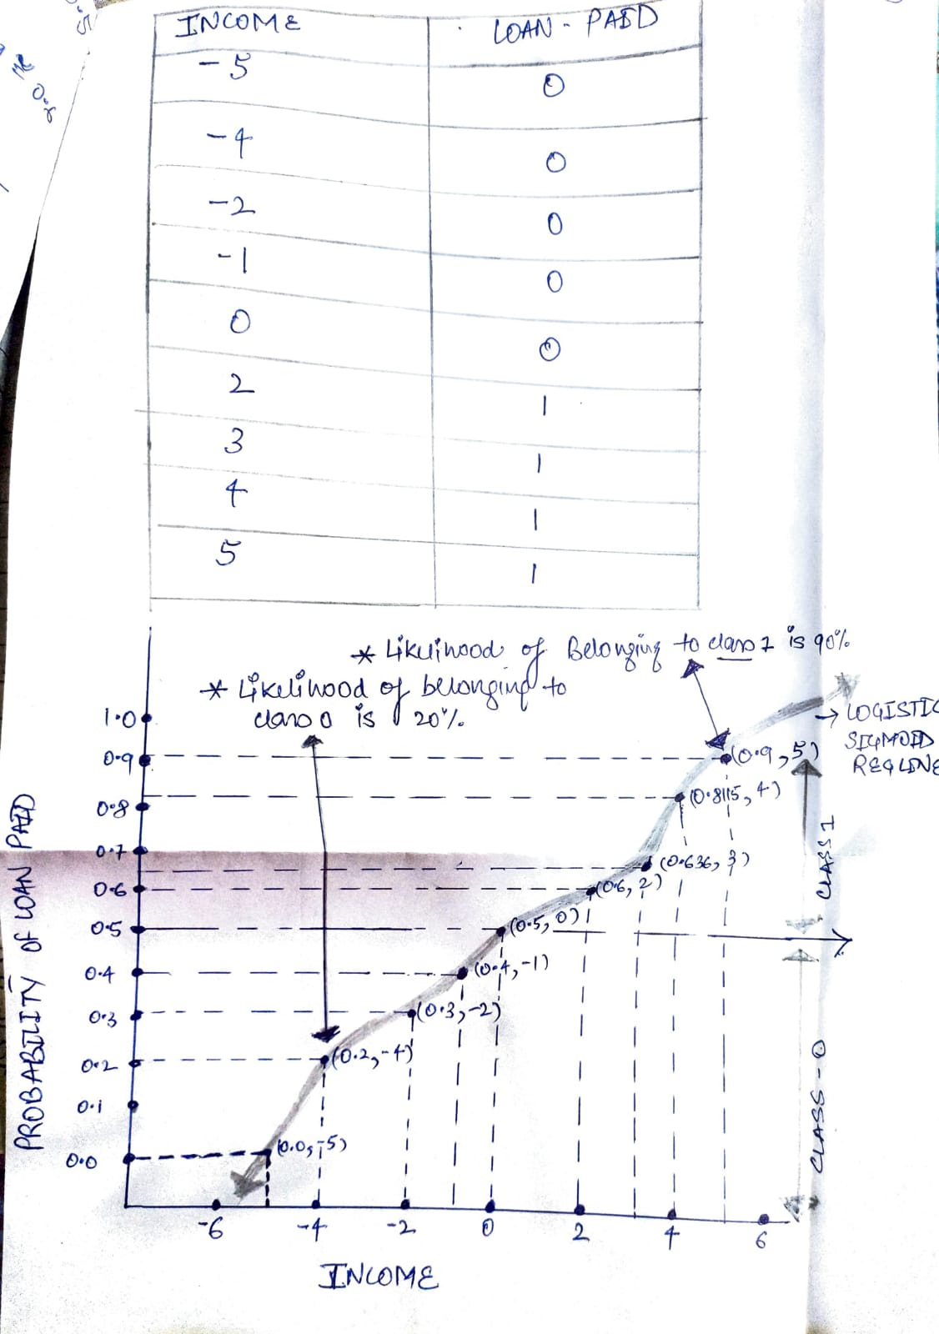

❷ 2nd Page
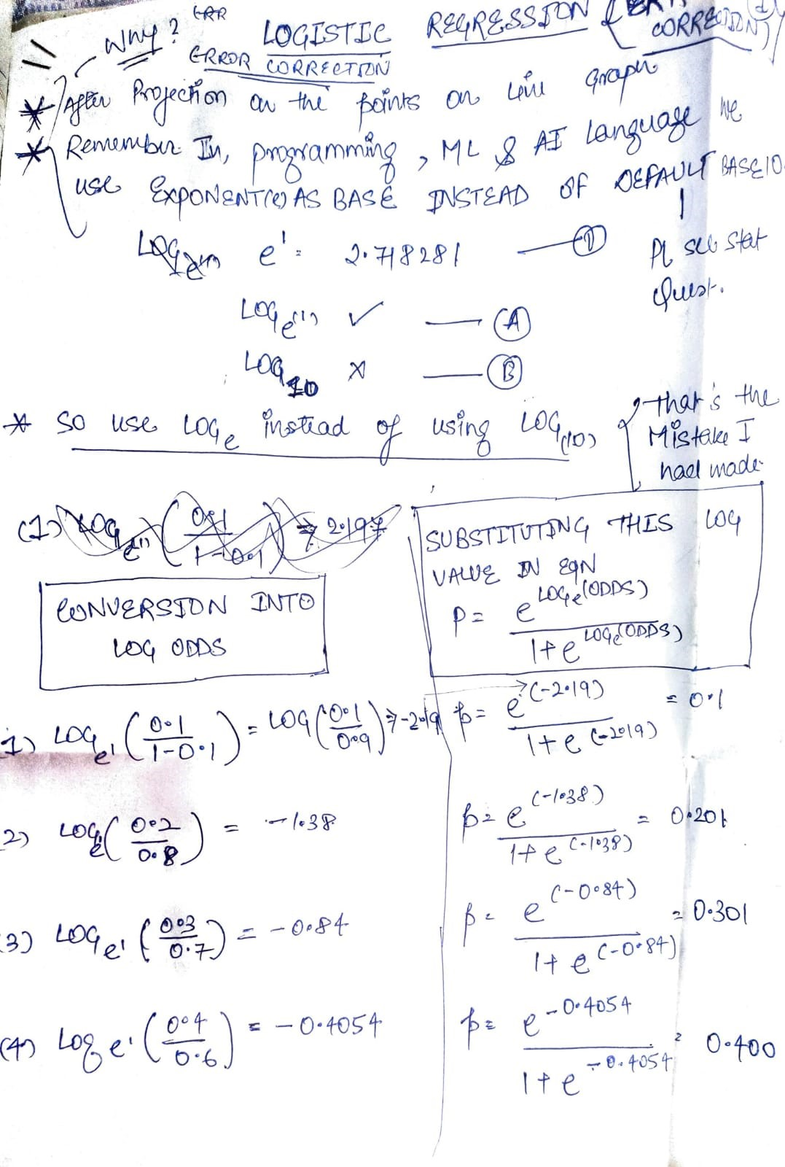

❸3rd Page

Types of Logistic Reg
TYPES OF LOGISTIC REGRESSION | REFERENCE

⇰(1st) : LOGISTIC REGRESSION (BINARY CLASSIFICATION) (2 CATEGORY CLASS)

 | ⇰REFERENCE (Website)-->Learning Data Science Regarding Conceptual Understanding of Logistic Regression (Binary Classification)
❶In Machine learning, binary classification is a supervised learning algorithm that categorizes new observations into one of two classes.The following are a few binary classification applications, where the 0 and 1 columns are two possible classes for each observation:

❷Basically in Simple Words Binary classification is a form of classification — the process of predicting categorical variables — where the output is restricted to two classes Here is Example
 | ⇰REFERENCE (Website)-->Machine Learning Mastery Regarding Conceptual Understanding of Various Types of Classification in Machine Learning (ML)

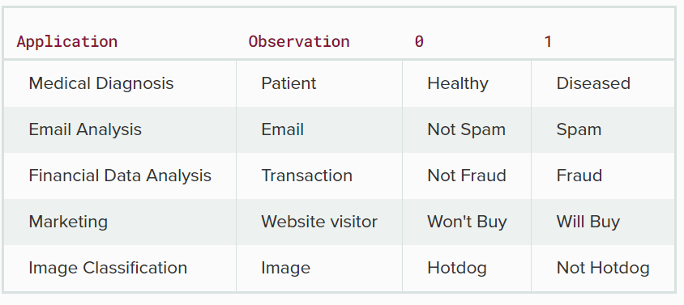

 | ⇰REFERENCE (Website)-->Towards Data Science Regarding Thereotical & Conceptual Understanding of Logistic Multiclassification

⇰(2nd) : LOGISTIC REGRESSION (MULTI CLASSIFICATION) (MORE THAN 2 CATEGORY CLASS)

❶In Machine learning and statistical classification, multiclass classification or multinomial classification is the problem of classifying instances into one of three or more classes (classifying instances into one of two classes is called binary classification). ❷Basically in Simple Words MultiClasss Classification-->A classification task with more than two classes; e.g., classify a set of images of fruits which may be oranges, apples, or pears. Multi-class classification makes the assumption that each sample is assigned to one and only one label: a fruit can be either an apple or a pear but not both at the same time. | ⇰REFERENCE (Website)-->Wikipedia Regarding Thereotical & Conceptual Understanding of Logistic (Multiclassification) Regression

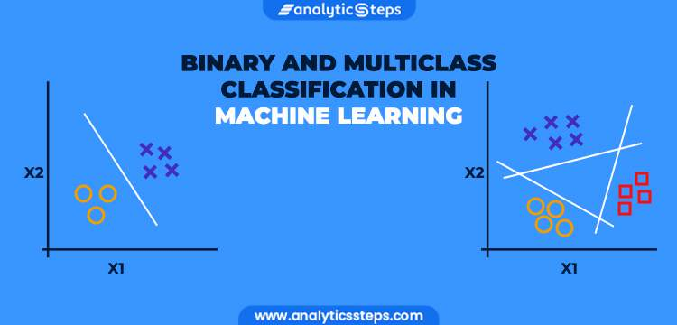 | ⇰REFERENCE (Website)-->Analytic Steps Regarding Thereotical & Conceptual Understanding of Binary and Multiclass Classification in Machine Learning

TRAIN|TEST|SPLIT
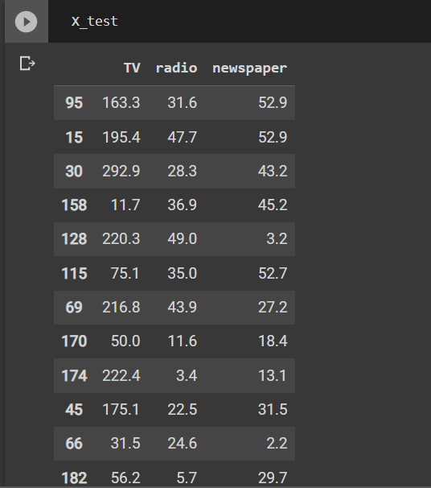
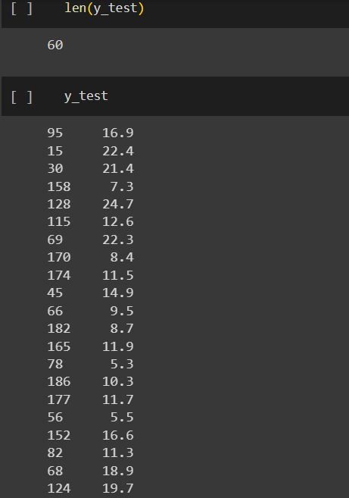
TRAIN | TEST | SPLIT

⇰REFERENCE (WEBSITE)-->Udemy Regarding Train_Test_Split
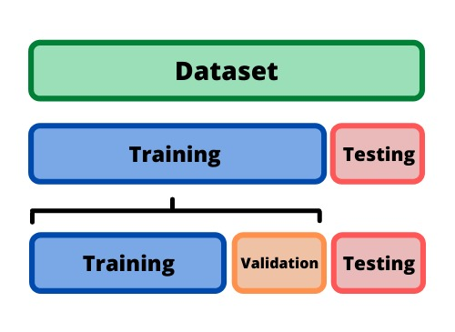 ⇰DEFINITION OF TRAIN-TEST-SPLIT →To fairly evaluate my model's performance, I don't want to evaluate it on the same data it was trained at. First we separates out the features and then it separates out the labels Further we'll separate out a training set and a test set Which Further Subdivide into 4 Components --> X train and Y train and then X test and y test the weights.

PARAMETERS FOR TRAIN | TEST | SPLIT | REFERENCE

⇰X_train→X_train Contains the Values of The Features (X1(Newspaper) ,X2(Radio) , X3(Television) This includes your all independent variables,these will be used to train the model, also as we have specified the test_size = 0.4, this means 60% of observations from your complete data will be used to train/fit the model and rest 40% will be used to test the model. | ⇰REFERENCE (Website)--> Stackoverflow Regarding TRAIN-TEST-SPLIT

⇰X_test→This is remaining 40% portion of the independent variables [Features(X1(Newspaper) ,X2(Radio) , X3(Television)] from the data which will not be used in the training phase and will be used to make predictions to test the accuracy of the model.
 | ⇰REFERENCE (Website)-> Stackoverflow Regarding TRAIN-TEST-SPLIT

⇰y_train→This is your dependent variable which needs to be predicted by this model, this includes category labels against your independent variables (Output =Total Sales), we need to specify our dependent variable while training/fitting the model.

 | ⇰REFERENCE (Website)-->(1.2) Google Colab Linear Regression Regarding Practical Implementation (Coding) of TRAIN | TEST SPLIT
⇰y_test→This data has category labels (Dependent Variable) (Output = Total Sales) for your test data, these labels will be used to test the accuracy between actual and predicted categories.

⇰test_size→test_size is the number that defines the size of the test set. It's very similar to train_size . You should provide either train_size or test_size . If neither is given, then the default share of the dataset that will be used for testing is 0.25 , or 25 percent. Especially in This Case test_size is 0.3 or 30% of Total Data Size.
 | ⇰REFERENCE (Website)-> Scikit Learn Regarding TRAIN-TESTS-SPLIT

⇰Random_state →Random_state is used to set the seed for the random generator so that we can ensure that the results that we get can be reproduced. Because of the nature of splitting the data in train and test is randomised you would get different data assigned to the train and test data unless you can control for the random factor. ↔Example-->For example, imagine you have numbers: 1,2,3,4,5 and you want to select two random numbers. Without using a random_state you would get different things: i.e. first 2,5 then 3,4 and so on.When you control the random generator by setting the random state to 0, 1 or another number, everyone would get the same random numbers generated: i.e random_state=1 then the random numbers are 1,3 and everyone who will pick two random numbers using random_state=1 from 1,2,3,4,5 will get the same two numbers as you: 1,3. →The random state hyperparameter is used to control any such randomness involved in machine learning models to get consistent results. We can use cross-validation to mitigate the effect of randomness involved in machine learning models. →Reason For Random State Usage--> ❶. We need t
 | ⇰REFERENCE (Website)-> Real Python Regarding TRAIN-TESTS-SPLIT

 | ⇰REFERENCE (Website)--> Geeks For Geeks Regarding Practical Impelentation (Coding) of TRAIN | TEST SPLIT

 | ⇰REFERENCE (Website)-> Scikit Learn Regarding TRAIN-TESTS-SPLIT

 | ⇰REFERENCE (Website)-> Real Python Regarding TRAIN-TESTS-SPLIT

⇰Shuffle Split→shuffle is the Boolean object (True by default) that focus on whether to shuffle the dataset before applying the split. →Reason For Random State Usage--> ❶The other reason that we have a random state here is because what Sk learn is going to do when it calls train test split is it's actually going to shuffle the arrays first.So you'll notice here that it actually is calling a shuffle split.That's why main reason it's calling a shuffle split. ❷If we See almost any Data set We can tell that more or less my data appears to be in no sort of sorted order.But for other data sets, it's not uncommon that when you read it in, it's actually already sorted for you. What we don't want to do is if our data set is in some sort of order or sorted is grab the first 70% of the rows for the train set and then the last 30% for the test set. Instead, we want to make sure that we shuffle everything first and then grab the 70% and 30%.That way I don't have an accidentally ordered data set and the test set happens to be all the highest sales and the training set is the lowest 70% of sales. That could be really dangerous as far as fairly evaluating and training your model. So instead we just alleviate any issues of that by shuffling the data set first.

 | ⇰REFERENCE (Website)-->(1.2) Google Colab Linear Regression Regarding Practical Implementation (Coding) of TRAIN | TEST SPLIT

 | ⇰REFERENCE (Website)-->(1.3) Google Colab (Polynomial Regression) Regarding Practical Implementation (Coding) of TRAIN | TEST SPLIT

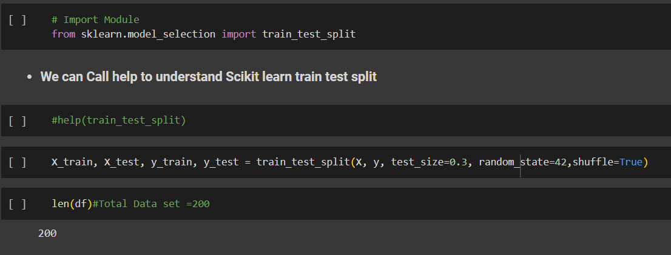 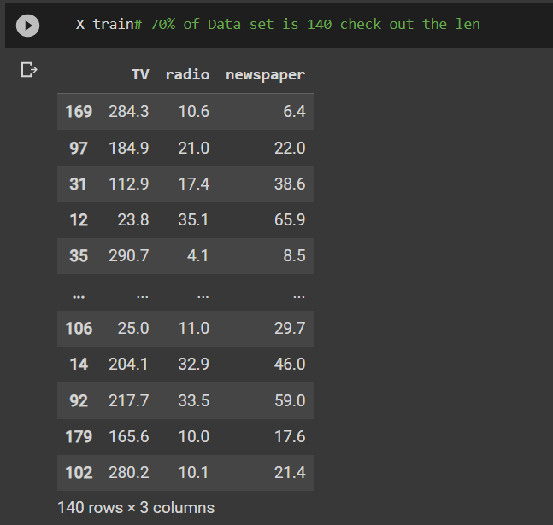 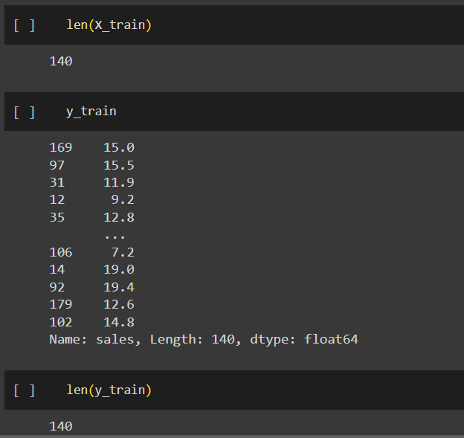 | ⇰REFERENCE (Website)-->(1.2) Google Colab Linear Regression Regarding Practical Implementation (Coding) of TRAIN | TEST SPLIT

 | ⇰REFERENCE (Website)-->(1.3) Google Colab (Polynomial Regression) Regarding Practical Implementation (Coding) of TRAIN | TEST SPLIT

Feature Scaling
2. (THEREOTICAL) FEATURE SCALING | REFERENCE

①What is Feature Scaling ? | ⇰REFERENCE (Website)-->Udemy Regarding Definition & Meaning & Definition as well as benefits of Feature Scaling
⇰Many machine learning algorithms perform better when numerical input variables are scaled to a standard range.This includes algorithms that use a weighted sum of the input, like linear regression, and algorithms that use distance measures, like k-nearest neighbors.

②What is Scale Invariance ? | ⇰REFERENCE (Website)-->Wikipedia Regarding Definition & Meaning of Scale Invariance
⇰In physics, mathematics and statistics, scale invariance is a feature of objects or laws that do not change if scales of length, energy, or other variables, are multiplied by a common factor, and thus represent a universality.

 | ⇰REFERENCE (You Tube)-->Feature Scale Importance For Gradient Descent By Priyanshu Vats
③Benefits of Feature Scaling ?
❶The most important benefit is that feature scaling improves the convergence of the steepest descent algorithms & what we mean by that are algorithms like gradient descent in trying to minimize the lost function.Those gradient descent algorithms do not possess the property of Scale Invariance.

 | ⇰REFERENCE (You Tube)-->Code Basics(Hindi) Regarding Overall Thereotical Definition & Practical Implementation (Coding) of Cost Function or Line of Best Fit

❷So what we mean by that is that if you have features that are on different scales and you're trying to use something like gradient descent to figure out the optimal coefficients, certain weights for those coefficients may update faster than others, since the feature values may play a role in those coefficient or weight updates.

❸Essentially what we mean is, if you can imagine gradient descent in multiple dimensions and you have some features on much different or much larger scales than others, then the weights that are being restricted to those really large scales are going to take longer to update than the scales for features that are much smaller & so what you want is that all the features are on roughly the same scale.
 | ⇰REFERENCE (You Tube) --> Krishna Naik Regarding Overall Implementation & Def & Why and When Should we Perform Feature Normalization?

❹That way, the gradient descent as far as the convergence of the optimal coefficients or weights can take around the same amount of time for each of those features.So that really is the critical benefit of feature scaling.
 | ⇰REFERENCE (Website)--> Scikit Learn Regarding Practical Implementation & Definition of Feature Scaling (Especially Standard Scaler)

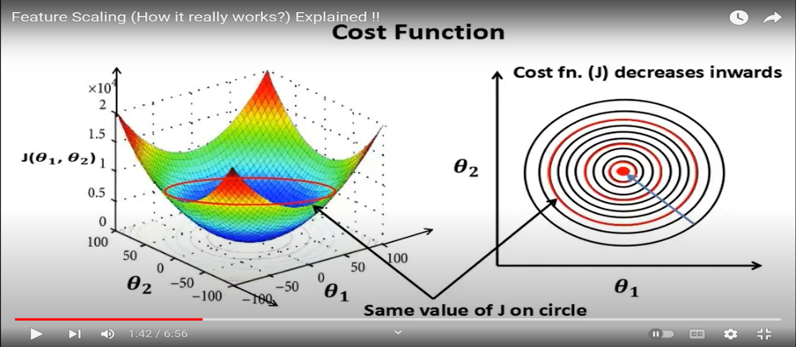

 | ⇰REFERENCE (Website)-->Udemy Regarding Definition & Meaning & Definition as well as benefits of Feature Scaling

 | ⇰REFERENCE (You Tube)-->Feature Scale Importance For Gradient Descent By Priyanshu Vats

 | ⇰REFERENCE (You Tube)-->Code Basics(Hindi) Regarding Overall Thereotical Definition & Practical Implementation (Coding) of Cost Function or Line of Best Fit

④Caveats (Warrning) of Using Feature Scaling in Various Models ?

⇰Must Always Scale new Unseen data Before Feeding to Model. ⇰Effect Direct Interpretability of Feature Coefficients. ❶Easier to Compare coefficients to one another , harder to relate back to original unscaled feature

 | ⇰REFERENCE (Website)-->Geeks For Geeks Regarding ML | Feature Scaling – Part 2

B. TYPES OF FEATURE SCALING | REFERENCE

①STANDARDIZATION (Standard Scaler) Or Z score Normalization | ⇰REFERENCE (Website)--> Scikit Learn Regarding Practical Implementation & Definition of Feature Scaling (Especially Standard Scaler)
⇰Standardization Rescales data to have a mean that is mu of 0 and a standard deviation of 1, which means you're essentially standardizing all your data to follow a standard normal distribution so you could have negative values there. Name Sake Can be confusing since this also referred as Z score normalization ⇰Name Sake Can be confusing since this also referred as Z score normalization ⇰Standardization scales each input variable separately by subtracting the mean (called centering) and dividing by the standard deviation to shift the distribution to have a mean of zero and a standard deviation of one. ⇰In Simple Words Standardization Mean Rescaling Data to have mean (μ) of 0 & Standard Deviation (σ) of 1 Unit Variance) .

 | ⇰REFERENCE (Website)-->Udemy Regarding Definition & Meaning & Definition as well as benefits of Feature Scaling

 | ⇰REFERENCE (Website)-->Machine Learning Mastery Regarding Thereotical & Practical (Coding) Implementation Regarding Meaning & Understanding of 1st Types of Feature Scaling That is Standardization
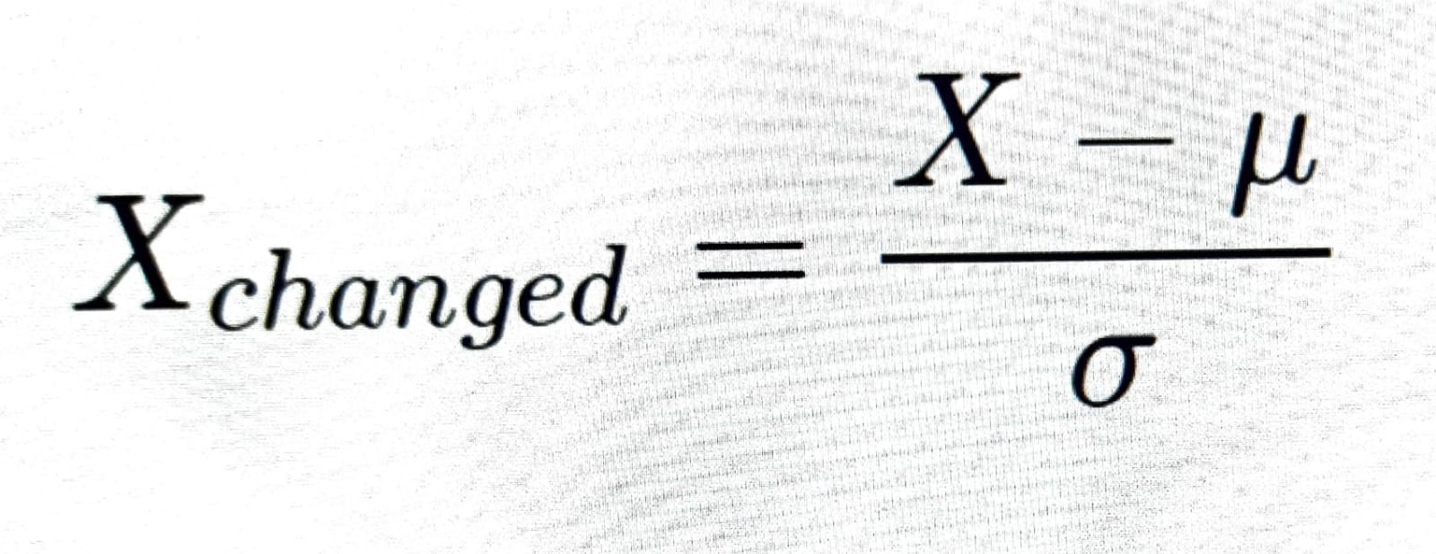

 | ⇰REFERENCE (You Tube)-->Feature Scale Importance For Gradient Descent By Priyanshu Vats

 | ⇰REFERENCE (You Tube)-->Code Basics(Hindi) Regarding Overall Thereotical Definition & Practical Implementation (Coding) of Cost Function or Line of Best Fit
❶PRACTICAL IMPLEMENTATION OF PLOTTING TYPES OF FEATURE SCALING (STANDARDIZATION) IN 1.3 POLYNOMIAL REGRESSION & FEATURE SCALING

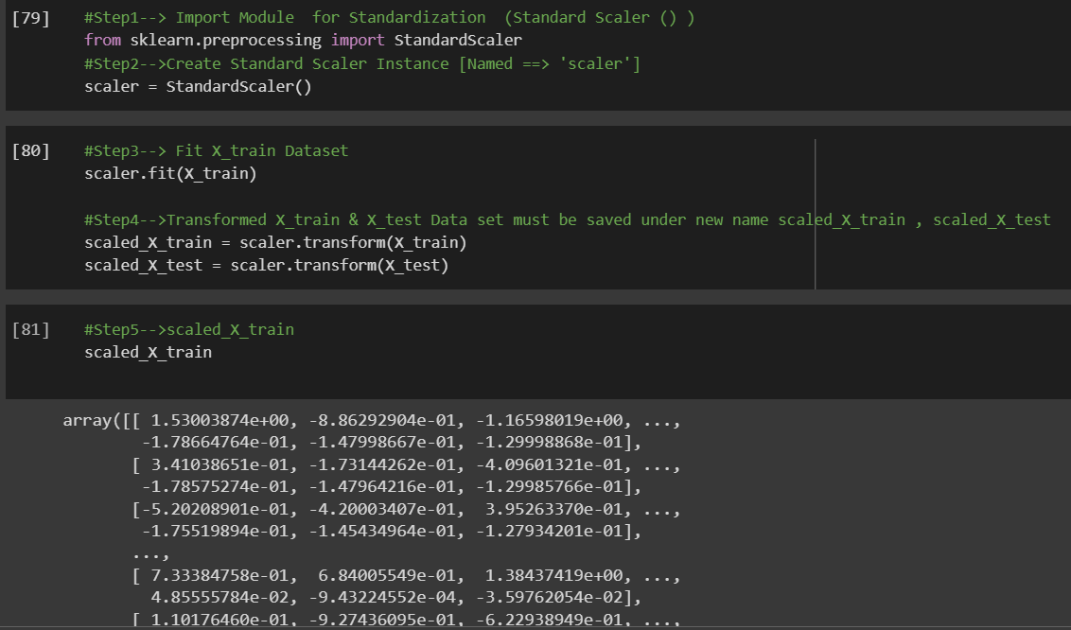

 | ⇰REFERENCE (Website) --> 1.3 Google Colab (Polynomial Regression & Feature Scaling) Regarding Practical Implementation & (Coding) 1st Types of Feature Scaling That is == (Standardization) Standard Scaling

 | ⇰REFERENCE (Website)-->Analytics Vidhya Regarding Meaning of Feature Scaling & Types of Feature scaling 1. Standardization 2.Normalization

 | ⇰REFERENCE (Website)-->Scikit Learn Regarding Practical Implementation & Definition of Feature Scaling (Especially Min-Max Scaler)

